2026
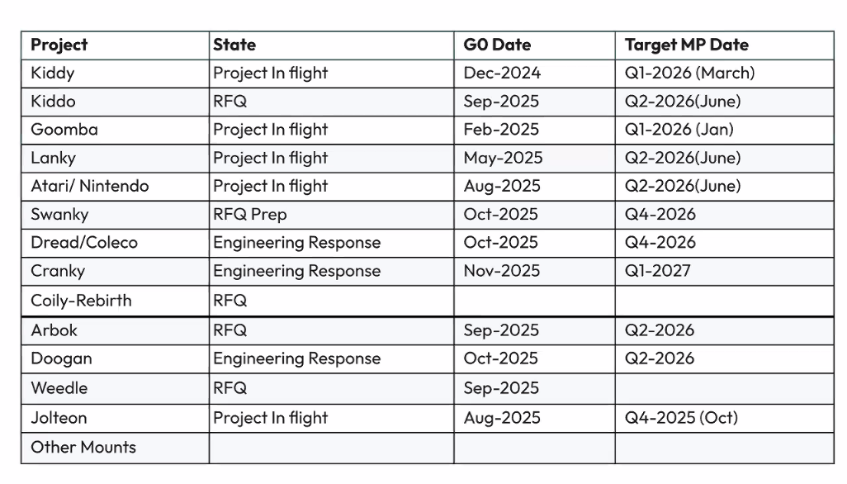
 | Project | Category | Engineer | Vendor | Jan | Feb | Mar | Apr | May | Jun | Jul | Aug | Sep | Oct | Nov | Dec
B2B | Lanky | Room bar | Sam Kuan | Amtran | 0.2 | 0.2 | 0.2 | 0.1 | 0.1
 | Cranky | Table Camera | Sam Kuan | TBD | 0.2 | 0.2 | 0.3
 | Kiddy / Kiddo | PTZ Camera | Sam Kuan | Chicony
 | Weedle | Accessories | Sam Kuan | CWT | 0.1 | 0.1 | 0.1 | 0.1 | 0.1 | 0.1 | 0.1
 | Gen2Mounts- In wall mount | Accessories | Sam Kuan | TBD | 0.1 | 0.1 | 0.1 |  |  | 0.1 | 0.1
 | Dread | System | Sam Kuan | TBD
 | [TB] Evaluate the feasibility of integrating an active thermal solution in Lanky. |  | Sam Kuan |  | 0.1 | 0.1 | 0.1
 | [TB] CPU–GPU–CDSP Power Distribution and Thermal Performance Evaluation |  | Sam Kuan |  | 0.1 | 0.1 | 0.1
 | [TB] Using Burn-In Warm-Up Time Constant to Verify Thermal Path & Assembly Quality |  | Sam Kuan |  | 0.1 | 0.1 | 0.1
 | [Cranky] SoC platform - Ambarella CV5 |  | Sam Kuan |  | 0.1 | 0.1 | 0.1
 |  |  |  |  | 1 | 1 | 1.1 | 0.2 | 0.2 | 0.2 | 0.2 | 0 | 0 | 0 | 0 | 0
B2B | Goomba | Mic | Vincent Chen | TYMPHANY | 0.2 | 0.1 | 0.1 | 0.1 | 0.1
 | Nitendo 2 | Accessories | Vincent Chen | FIH | 0.1 | 0.1 | 0.1 | 0.1 | 0.1 | 0.1 | 0.1 | 0.1 | 0.1 | 0.1 | 0.1 | 0.1
 | Artari 2 | Accessories | Vincent Chen | FIH | 0.1 | 0.1 | 0.1 | 0.1 | 0.1 | 0.1 | 0.1 | 0.1 | 0.1 | 0.1 | 0.1 | 0.1
 | Cranky | Table Camera | Vincent Chen | TBD |  |  |  | 0.6 | 0.6
 | Swanky | Room bar | Vincent Chen | TBD | 0.6 | 0.6 | 0.6 | 0.6 | 0.6 | 0.6 | 0.6 | 0.6 | 0.6 | 0.6 | 0.6 | 0.6
 | Gen2Mounts- In wall mount | Accessories | Vincent Chen | TBD |  |  |  | 0.1 | 0.1
 | Active Thermal Solution |  | Vincent Chen |  | 0.1 | 0.1 | 0.1 | 0.1 | 0.1 | 0.1 | 0.1 | 0.1 | 0.1 | 0.1 | 0.1 | 0.1
 |  |  |  |  | 1.1 | 1 | 1 | 1.7 | 1.7 | 0.9 | 0.9 | 0.9 | 0.9 | 0.9 | 0.9 | 0.9

L4B Vision Project Planning | Dread | AIO
 | Artari 2600 | Accessories
 | N64 | Accessories

2024
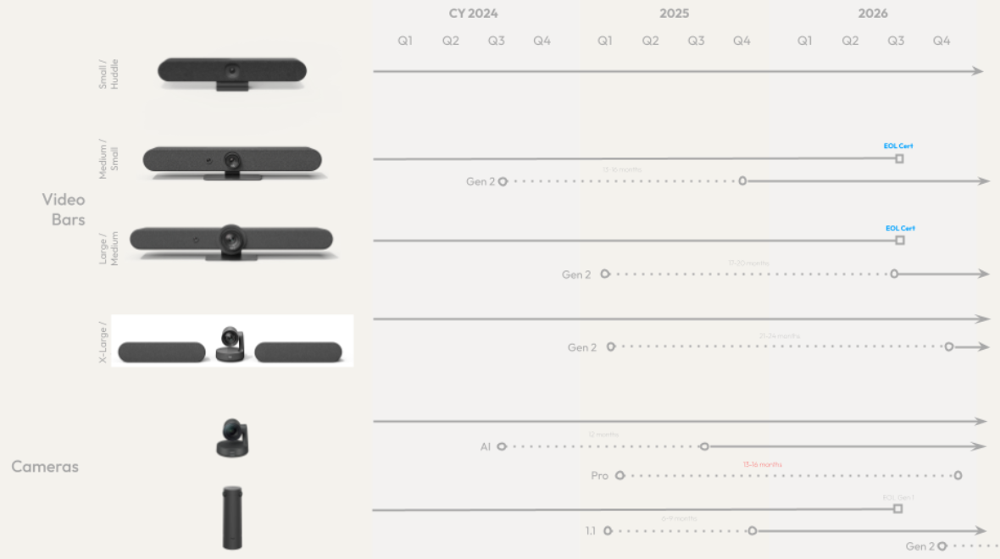
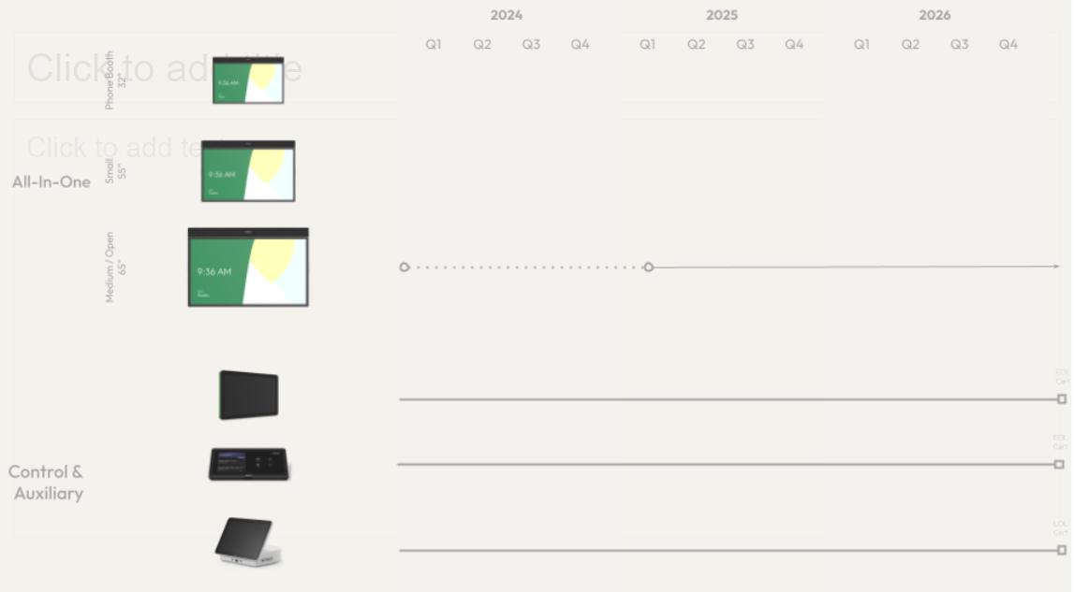
 | Project | Engineer | Vendor | Jan | Feb | Mar | Apr | May | Jun | Jul | Aug | Sep | Oct | Nov | Dec
B2B | Kiddy (Fireball 2.0) | Sam Kuan | ODM
 | Lanky(KONG 2.0) | Sam Kuan | TBD | 0.1 | 0.1 | 0.1 | 0.1 |  |  | 0.4 | 0.4 | 0.4 | 0.4 | 0.4 | 0.4
 | EEVEE | Sam Kuan | ODM | 0.1 | 0.1 | 0.1 | 0.1 | 0.1 | 0.1
 | Stratos | Sam Kuan | In House | 0.1
Logi G | Zhao | Sam Kuan | In House | 0.2 | 0.1
PWS | Babylon (sustaining) | Sam Kuan |  |  | 0.1
Techno Bricks | Room 2.0 Thermal Request | Sam Kuan |  |  |  |  | 0.2 | 0.2 | 0.2 | 0.2 | 0.2 | 0.2 | 0.2 | 0.2 | 0.2
 | Surface temperature limit | Sam Kuan |  |  |  |  |  |  |  |  |  |  |  | 0.1 | 0.1
 | QCM8550 2R Model measurement | Sam Kuan |  |  |  |  |  |  | 0.2 | 0.2 | 0.2 | 0.2 | 0.2
 | Thermal Design OPT | Sam Kuan |  | 0.2 | 0.1 | 0.1
 | Thermal Comfort Jury study | Sam Kuan |  | 0.2 | 0.2 | 0.2 | 0.2 | 0.2 | 0.2
 | Virtual skin | Sam Kuan |  | 0.1
 | Aluminum VC | Sam Kuan |  |  | 0.1 | 0.1 | 0.1 | 0.1
 | Solderless Process | Sam Kuan |  |  | 0.1 | 0.1 | 0.1 | 0.1
 | Thermal underfill | Sam Kuan |  |  |  |  |  | 0.1 | 0.1 | 0.1 | 0.1 | 0.1 | 0.1
 | Airjet | Sam Kuan |  |  |  | 0.1 | 0.1 | 0.1 | 0.1
 |  |  |  | 1 | 0.9 | 0.8 | 0.9 | 0.9 | 0.9 | 0.9 | 0.9 | 0.9 | 0.9 | 0.7 | 0.7
B2B | Lemmy | Vincent Chen | FIH | 0.4 | 0.4 | 0.4 | 0.4 | 0.3 | 0.3 | 0.1 | 0.1
 | Dixie | Vincent Chen | Amtran | 0.4 | 0.4 | 0.4 | 0.5 | 0.5 | 0.5 | 0.5 | 0.5 | 0.5 | 0.5 | 0.5 | 0.5
 | Flight | Vincent Chen | In House | 0.1 | 0.1 | 0.1 | 0.1 | 0.1 | 0.1 | 0.1
 | Nitro | Vincent Chen | Bizlink | 0.1 | 0.1 | 0.1 | 0.1 | 0.1 | 0.1 | 0.1 | 0.1 | 0.1 | 0.1
 | Kiddy (Fireball 2.0) | Vincent Chen | ODM
 | Goomba (Micpod 2.0) | Vincent Chen | TBD |  |  |  |  |  |  |  |  |  | 0.1 | 0.3 | 0.3
 | Dread(Bolide 2.0) | Vincent Chen | TBD
 | Sentinel Next (minor revision) | Vincent Chen | TBD
Techno Bricks | Cold Chamber | Vincent Chen | Therelct | 0.1 | 0.1 | 0.1 | 0.1 | 0.1 | 0.1 | 0.1
 | Anti-sag THM solution | Vincent Chen | Tianmai |  |  |  |  | 0.1 | 0.1 | 0.1 | 0.1 | 0.1 | 0.1 | 0.1 | 0.1
 | Direct contact | Vincent Chen | Tianmai |  |  |  |  |  |  | 0.1 | 0.1 | 0.1 | 0.1 | 0.1 | 0.1
 |  |  |  | 1.1 | 1.1 | 1.1 | 1.2 | 1.2 | 1.2 | 1.1 | 0.9 | 0.8 | 0.9 | 1 | 1

Sheet14
Project | Category | ODM / JDM | State | Thermal Task | GO Date | Target MP Date
Kiddy | PTZ Camera | Chicony | PB1 | [TB] Thermal simulation of Kiddy wall-mounted box | 12/1/2024 | Q1-2026 (March)
Goomba | Mic | TYNPHANY | PQR |  | 2/1/2025 | Q1-2026 (Jan)
Lanky | Room Bar | AMTRAN | PB1 | [TB] Evaluate the feasibility of integrating an active thermal solution in Lanky. [TB] PCB Thermal resistance improvement | 5/1/2025 | Q2-2026 (June)
Atari/Nintendo | Accessories | FIH | PA1 |  | 8/1/2025 | Q2-2026 (June)
Jolteon | Accessories | TBD | TBD |  | 8/1/2025 | Q4-2025 (Oct)
Kiddo | PTZ Camera | Chicony | RFQ | [TB] Thermal simulation of Kiddo wall-mounted box | 9/1/2025 | Q2-2026 (June)
Arbok | Accessories | INTRETECH | RFQ |  | 9/1/2025 | Q2-2026
Weedle | Accessories | CWT | PA1 | [TB] Weedle Thermal Evaluation | 9/1/2025
Swanky | Room Bar | TBD | Engineering Response | TBD | 10/1/2025 | Q4-2026
Dread/Coleco | AIO Sys | TBD | Engineering Response |  | 10/1/2025 | Q4-2026
Doogan | Accessories | TBD | Engineering Response |  | 10/1/2025 | Q2-2026
Cranky | Table Camera | TBD | Engineering Response | TBD | 11/1/2025 | Q1-2027
Coily-Rebirth | Accessories | TBD | RFQ
Other Mounts | Accessories | TBD | RFQ | TBD

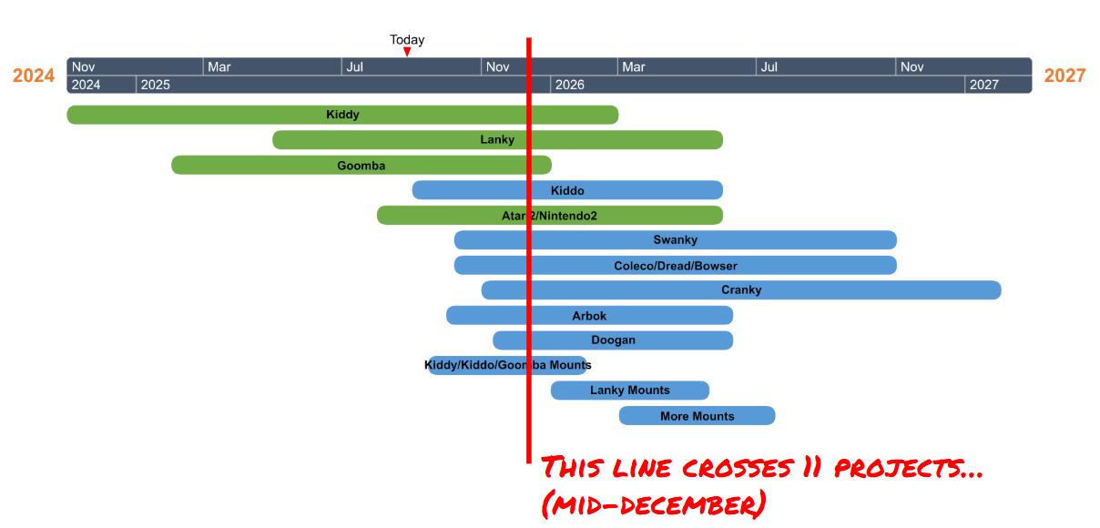

 |  |  |  |  |  |  | D

